工作表1
Record of Tenancy Condition as at the date of COCR Stage 2 Declaration |  |  |  |  |  |  |  |  |  |  |  | Annex I of Form EE-2 |  | Nature of Area | Status of Tenancy | Undertaking by developer | A/C | Lighting | Electricity | Lift / Escalator | Condition of Area
 |  |  |  |  |  |  |  |  |  |  |  |  |  | L | Not yet rent | Y | - Only service connection points provided for tenant to connect their air-conditioning installations during renovation | - Only OP provisions | Below 200A | have lift / escalator in tenancy area | Bare shell
Name of Building |  |  |  |  |  | REA Signature |  |  |  |  |  |  |  | T | Rented | N | - Only supplied air-conditioning installations as tenant provisions, which to be installed by tenant during renovation | - OP provisions with supplied lighting installations as tenant provisions, which to be installed by tenant during renovation | 200A to below 400A | no lift / escalator in tenancy area | Renovating after OP
EMSD Ref. No. |  |  |  |  |  |  |  |  |  |  |  |  |  |  |  |  | - Supplied and installed air-conditioning installations as tenancy provisions | - Supplied and installed lighting installations to tenant | 400A or above |  | Renovation Completed
Name of the REA
REA Registration No.
Date

# | Landlord / Tenancy Area Description |  |  |  |  |  | Undertaking Letter by developer (Y / N) | Provisions of BSI included in COCR Stage 2 Submission |  |  |  | Conditions of Area
 | Floor Level | Numbering | Function Description | Nature of Area (Landloard (L) / Tenancy (T) Area) | Area (m2) | Status of Tenancy (As of the date of COCR Stage 2 submission) |  | A/C | Lighting | Electricity (Capacity of MCB, Unit: A) | Lift & escalator | Bare shell / Renovating / Renovation Completed | Photo of the Area (As of the date of COCR Stage 2 Submission)
EXAMPLE
e.g. | G/F | G101 | Retail Shop 01 | T | 450 | Not yet rent | Y | - Only service connection points provided for tenant to connect their air-conditioning installations during renovation | - Only OP provisions | 200A to below 400A | no lift / escalator in tenancy area | Bare shell | 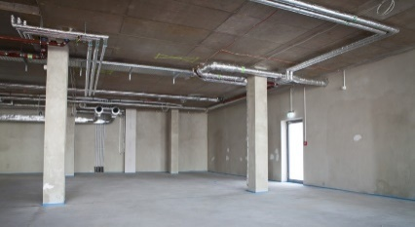
e.g. | 7/F | 701 | Office 01 | T | 600 | Rented | Y | - Supplied and installed air-conditioning installations as tenancy provisions | - Supplied and installed lighting installations to tenant | 200A to below 400A | no lift / escalator in tenancy area | Bare shell |  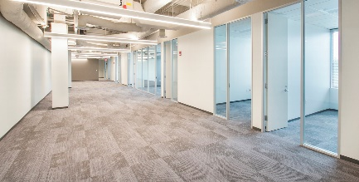
FOR COCR STAGE 2 SUBMISSION
1 | - | - | - | - | - | - | - | - | - |  |  | - | -
2 | - | - | - | - | - | - | - | - | - |  | - | - | -
3 | - | - | - | - | - | - | - | - | - | - | - | - | -
4 | - | - | - | - | - | - | - | - | - | - | - | - | -
5 | - | - | - | - | - | - | - | - | - | - | - | - | -
6 | - | - | - | - | - | - | - | - | - | - | - | - | -
7 | - | - | - | - | - | - | - | - | - | - | - | - | -
8 | - | - | - | - | - | - | - | - | - | - | - | - | -

